Issue1
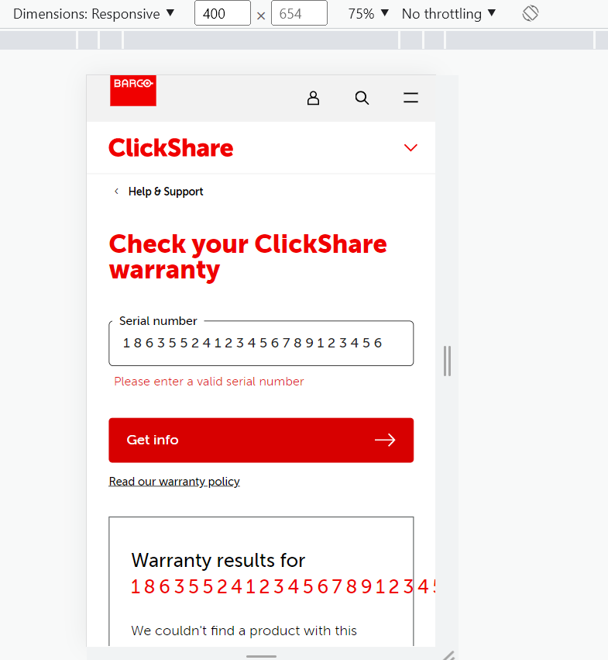
Issues
Title | Steps to reproduce | Expected behavior | Actual result | Priority
The sn will exceed the border in mobile web mode | 1. Set the page under mobile web mode 2. Enter a long sn number, and click 'Get Info' button | If the sn is long, it should switch to the second line | If the sn is long, it will exceed the border | Low

Issue2
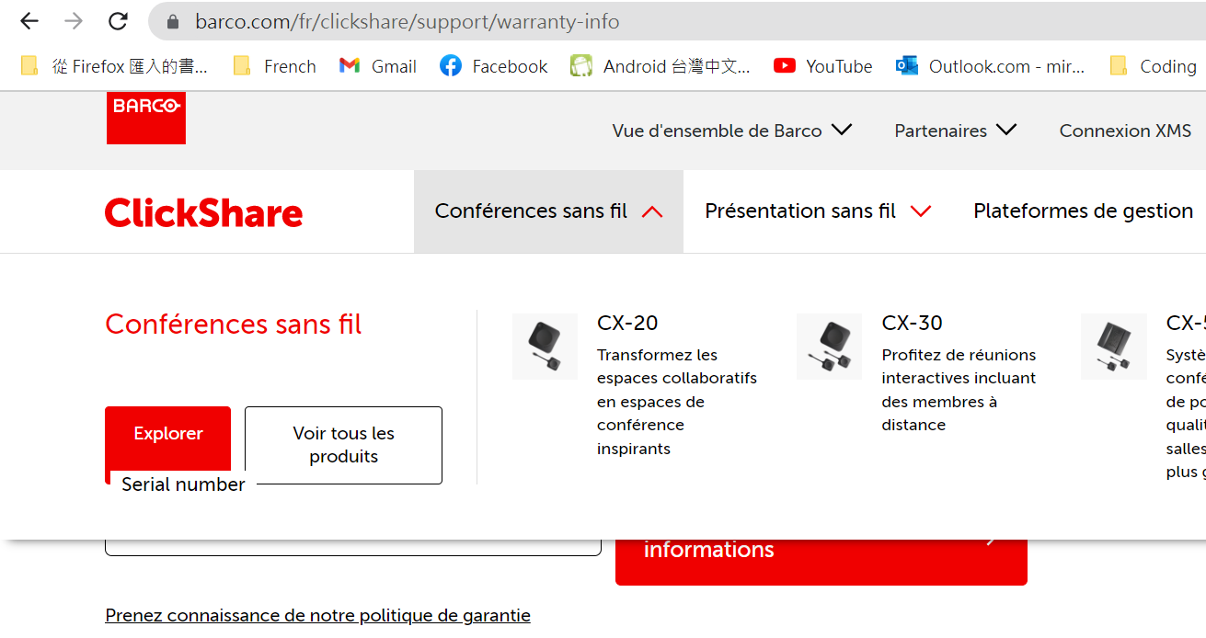
Issues
Title | Steps to reproduce | Expected behavior | Actual result | Priority
The Explore button will overlap with the sn title when the language is not en | 1. Set page to other languages, like fr 2. Hover on the tab of Wireless conferencing | The elements in the tab should be on the top of the page, and will not overlap with other elements | The label of serial number will overlap with the Explore button | Low

